Basic Logical
BASIC LOGICAL STATEMENT

EXPENSES |  |  | Expenses over the following amount MUST be approved
Name | Total | Approval Required?
Deb Ashby | £800 |  | Threshold: | £1,000
Adam Lacey | £1,200
Mike Smith | £1,000
Sarah Oxted | £750
Lucy Jones | £500
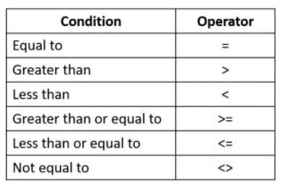
Claire Fisher | £800
Sam Cox | £1,300

